1. Title Page
Project Name: Data Immersion Achievement 4, Instacart Analysis*
Date: May 2022
Analyst Name: Amiri Hayes

Contents:
Population Flow
Consistency checks
Wrangling steps
Column derivations
Visualizations
Recommendations

Objective: "You’re an analyst for an existing company, Instacart, an online grocery store that operates through an app. Instacart already has very good sales, but they want to uncover more information about their sales patterns. Your task is to perform an initial data and exploratory analysis of some of their data in order to derive insights and suggest strategies for better segmentation based on the provided criteria."

Data Citation(s):
- “The Instacart Online Grocery Shopping Dataset 2017”, Accessed from https://www.instacart.com/datasets/grocery-shopping-2017 on 5/25/22.

2. Population Flow
Title page

Population flow

Exclusion flag
Condition: max_order < 5
Obervations to be removed: 711289
Final total count of order_products_all: 31,929,979

Orders_products_combined
Orders_products_merged
Orders_products_all

Total: 32,641,268
Total: 32,640,698
Total: 31,929,979

1.) The grey boxes in the first row of the population flow represent the original data sets as they were when you downloaded them. In the Total fields you need to add the count of the rows when you imported the data set into Jupyter.
2.) The second row of boxes (coloured) represents the data sets after you manipulated them, e.g., removed missing values and duplicates. In the Total fields you need to add the count of the rows after conducting these operations. This offers a visual oveview of how the data flows throughout the data consistency checks.
3.) The third row, where also the arrows are coloured, represents the merges you performed between the datasets. In the Total fields you need to add the count of the rows in the merged datasets, so that you end up with the final dataset (in the red box). Keep in mind the final dataset should be without exclusions (based on the exclusion flag).

3. Consistency checks
 |  |  |  | Title page
Consistency checks

Dataset | Missing values | Missing values treatment | Duplicates
orders | 206209 missing in days_since_prior_order | It was determined the data is missing because customer's orders were not properly accounted for , so no rows need to be filtered out. | N/A
products | 16 missing values [product_name] | Missing values were removed by creating a subset. | 5 duplicates were removed
orders_products_prior | 0 | N/A | N/A
customers | 0 | N/A | N/A

4. Wrangling steps
 |  |  |  | Title page
Wrangling steps

Columns dropped | Columns renamed | Columns' type changed | Comment/Reason
eval_set |  |  | The data is not relevant as it doesn't provide any useful information.
 | orders_day_of_week to --> order_dow
 |  | order_id | Changed this numeric value into a str value.
 |  | user_id | Changed this numeric value into a str value.
 | STATE to --> state
 | n_dependants to --> number_of_dependants
 | Age or AGE to --> age

5. Column derivations
 |  |  |  | Title page

Column derivations and aggregations

In this tab you should add tables below that the frequences of flags/label variables that you produced after deriving them. NB: don't do this for continuous variables, only for flags.
Dataset | New column | Column/s it was derived from | Conditions
 | region | state | The states where divided by region.
 | age_groups | age | Ages grouped into three categories. gen z/millennial (18-41), gen x (42-57), boomers (58+)
 | income_groups | income | Income grouped into three categories. Less than 50K, 50K to less than 100K, 100K to less than 150K, 150K or more
 | parents | number_of_dependants | Two categories no_dependants, & dependants
 | profile_loc | age, parents | gen z & millennial and not parent, young non-parent gen z & millennial and parent, young parent gen x & not parent, middle-age non-parent gen x & parent, middle-age parent boomer & not parent, elder non-parent boomer & parent, elder parent
 | bar_dow_busiest_days_key1a | order_dow | busiest day, slowest days, and regularly busy based on orders_dow
 | bar_busiest_hour_key1b | order_hour_of_day | Most amount of orders, Average # of orders, Fewest # of orders based on order_hour_of_day
 | loyalty_flag | max_order, normal_activity_4_10
 | activity_flag | max_order, normal_activity_4_10 | max_order<5, low activity max_order>=5, normal to high activity
 | spending_flag | spending
 | price_range_loc | prices | prices<=5, low-range prices>5 & <=15, mid-range, prices>15, high-range

6. Visualizations
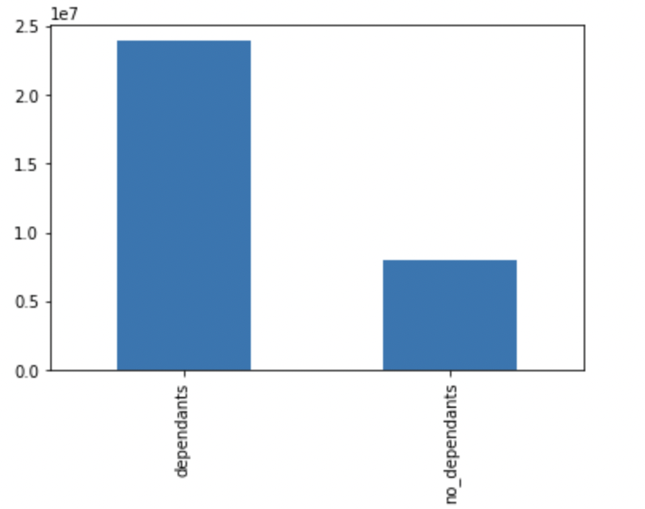
 |  |  |  |  |  |  |  | Title page

Visualizations

In this tab you should include all the visualtions from Exercises 4.9 and 4.10, alongside the questions from the project brief that they answer. Include any commentary on the relationship between different variables.

1. What are the busiest days of the week and hours of the day?
2. Are there particular times of the day people spend the most money?
3. Is there a way to use simpler price range groupings to help marketing and sales with their efforts?
4. Are there certain types of products more popular than others? Which departments have the highest frequency of product orders?
5. The marketing and sales teams are particularly interested in the different types of customers in their system and how their ordering behaviors differ.
 | a. What's the distribution among users in regard to their brand loyalty (i.e., how often do they return to Instacart?)
 | b. Are there differences in ordering habits based on a customer’s loyalty status?
 | c. Are there differences in ordering habits based on a customer’s region?
 | d. Is there a connection between age and family status in terms of ordering habits?
 | e. What different classifications does the demographic information suggest? Age? Income? Certain types of goods? Family status?
 | f. What differences can you find in ordering habits of different customer profiles?

Key Question 1: |  |  |  |  |  |  |  |  | Key Question 2:
The sales team needs to know what the busiest days of the week and hours of the day are (i.e., the days and times with the most orders) in order to schedule ads at times when there are fewer orders. |  |  |  |  |  |  |  |  | They also want to know whether there are particular times of the day when people spend the most money, as this might inform the type of products they advertise at these times.
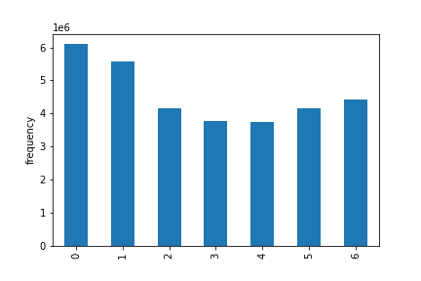
Orders Per Day
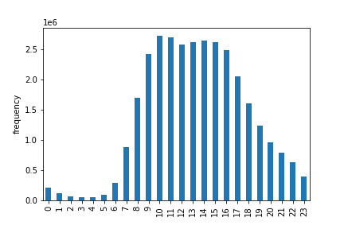
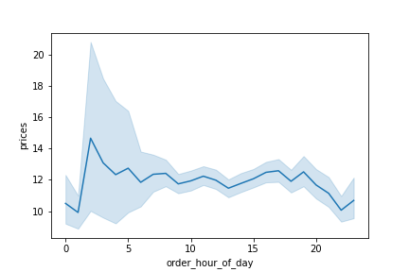
Average Prices Per Hour
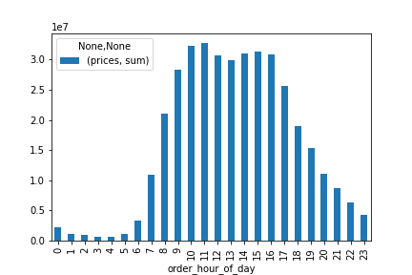
Total Prices Per Hour
Orders Per Hour

 | Saturday | Sunday | Monday | Tuesday | Wednesday | Thursday | Friday

Key Question 3: |  |  |  |  |  |  |  |  | Key Question 4:
Instacart has a lot of products with different price tags. Marketing and sales want to use simpler price range groupings to help direct their efforts. |  |  |  |  |  |  |  |  | Are there certain types of products that are more popular than others? The marketing and sales teams want to know which departments have the highest frequency of product orders.
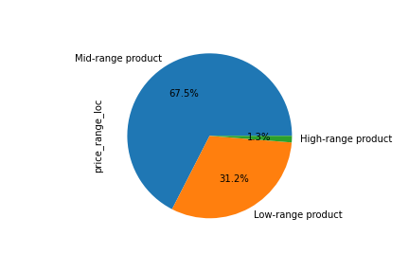
Price Range Grouping
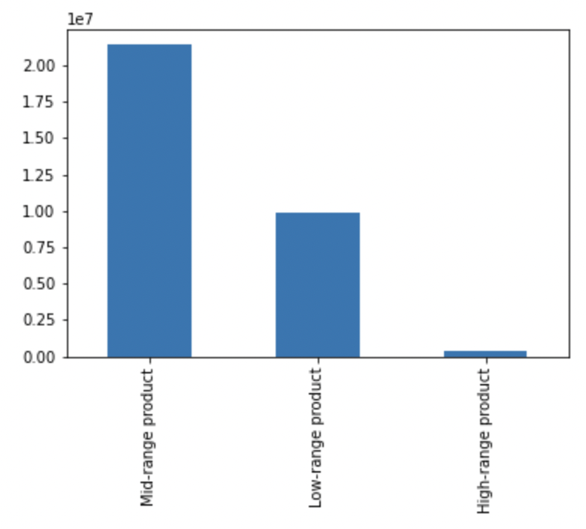
Price Range Grouping
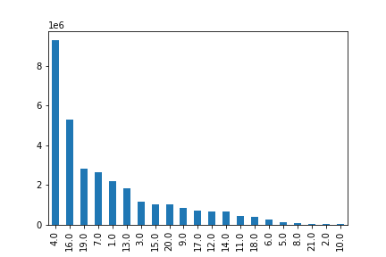
Orders by Department
 |  |  |  |  |  |  |  |  | (Legend)


Key Question 5A:
What’s the distribution among users in regards to their brand loyalty (i.e., how often do they return to Instacart)?
Loyalty Proportions by Profile
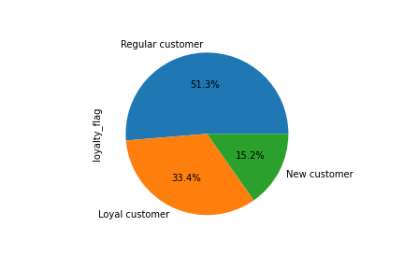
Customer Loyalty Status
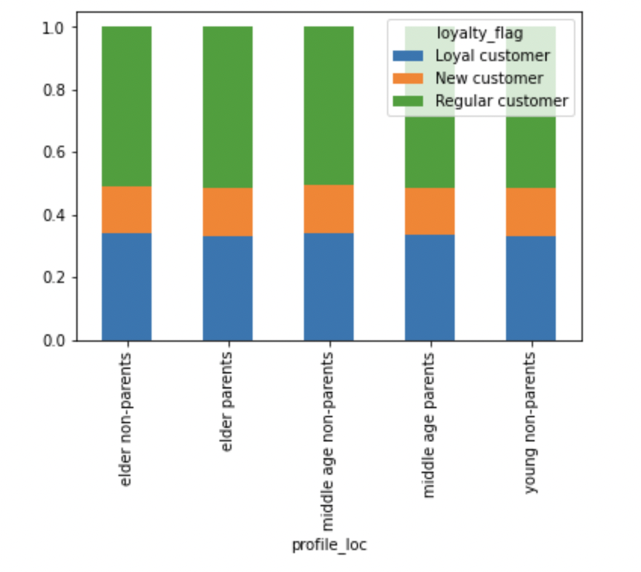

 |  |  |  |  |  |  |  |  | Key Question 5B:
 |  |  |  |  |  |  |  |  | Are there differences in ordering habits based on a customer’s loyalty status?
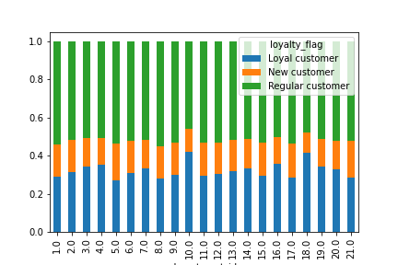
Loyalty Proportions by Department
Loyalty Proportions by Spend Level
 |  |  |  |  |  |  |  |  | (Legend)
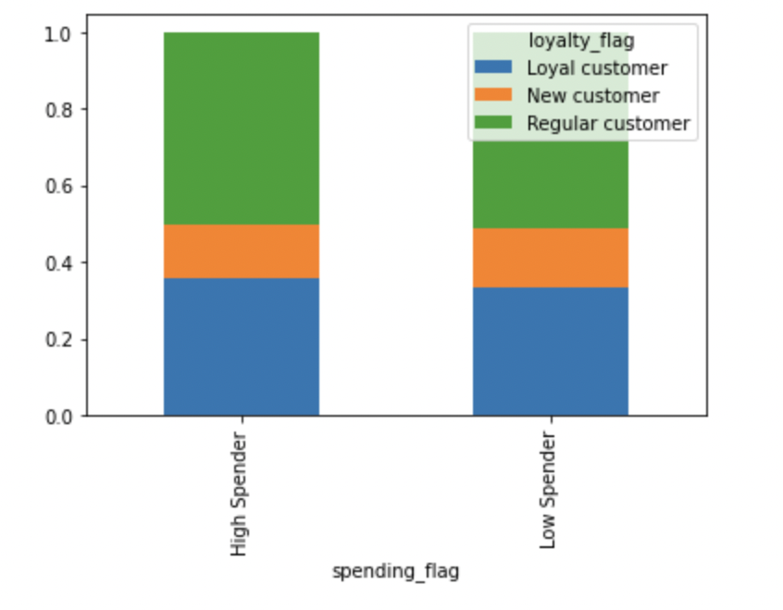

Key Question 5C:
Are there differences in ordering habits based on a customer’s region? |  |  |  |  |  |  |  |  |  |  |  |  | department_id

Region by Spend Level
Region by Department
(Legend)
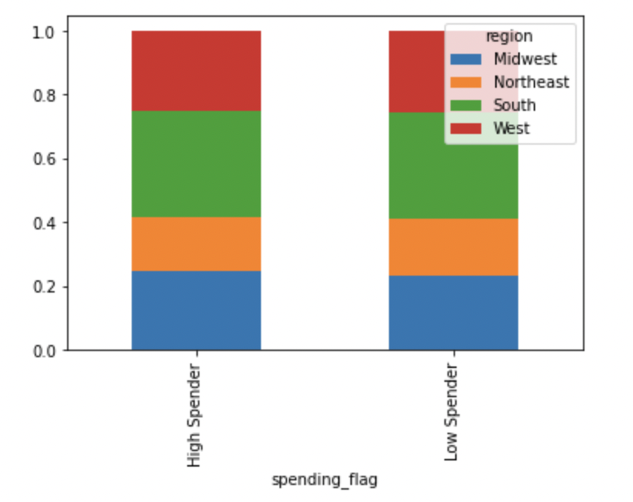
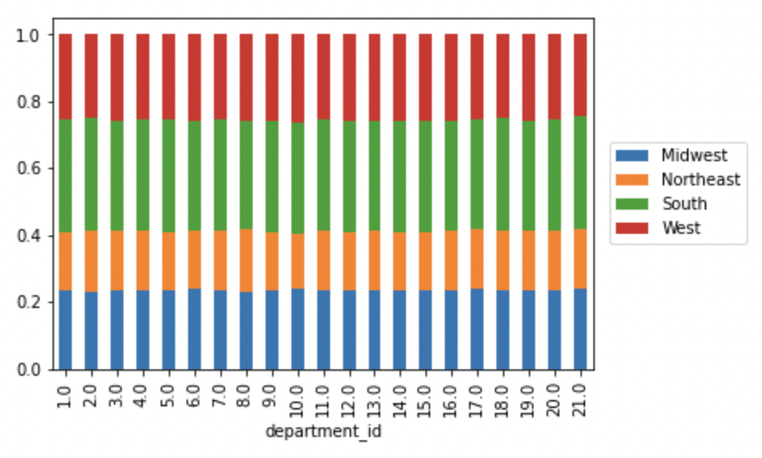

 |  |  |  |  |  |  |  |  | Key Question 5D:
 |  |  |  |  |  |  |  |  | Is there a connection between age and family status in terms of ordering habits?

 |  |  |  |  |  |  |  |  | (Legend)
Profile by Spend Level
Profile by Department
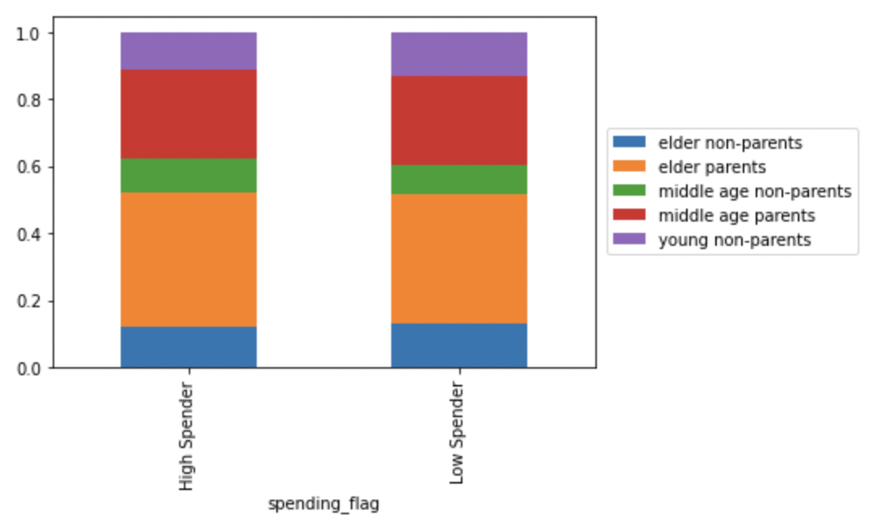
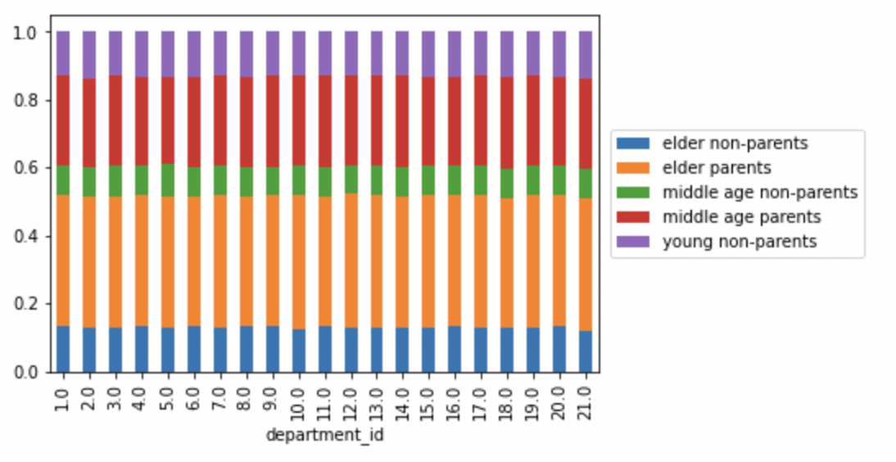

Key Question 5E:
What different classifications does the demographic information suggest? Age? Income? Certain types of goods? Family status?

Aggregated Spend by Income Level
Aggregated Spend by Age/Family Status Profile
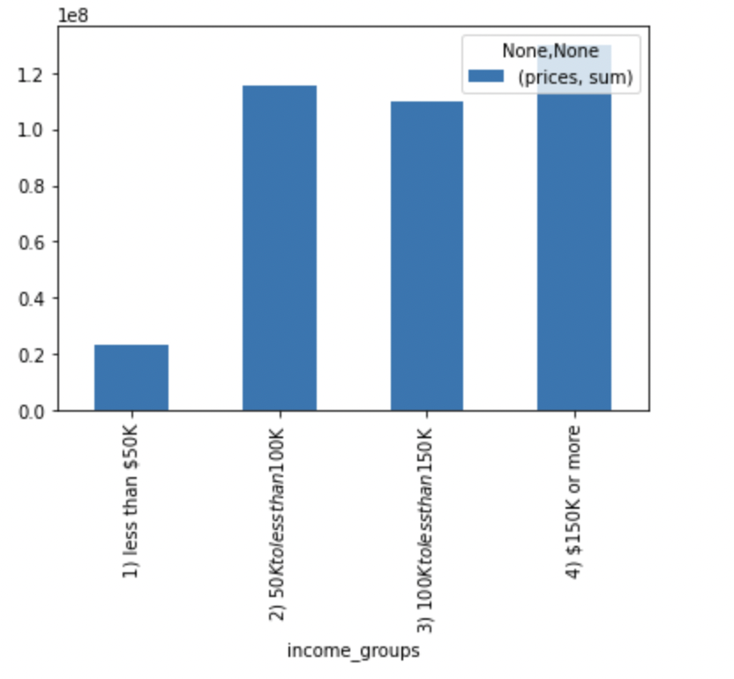
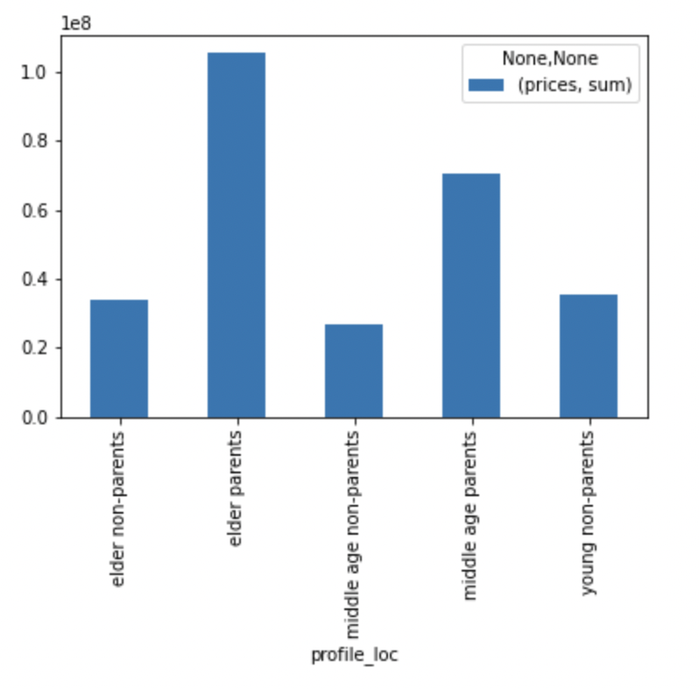

 |  |  |  |  |  |  |  |  | Key Question 5F:
 |  |  |  |  |  |  |  |  | What differences can you find in ordering habits of different customer profiles? Consider the price of orders, the frequency of orders, the products customers are ordering, and anything else you can think of.

Income x Age

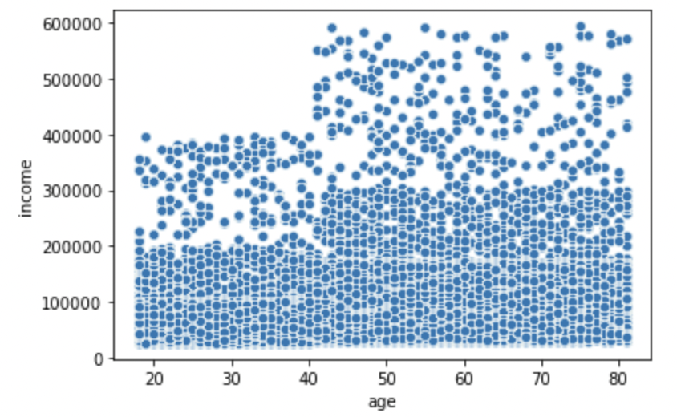
 |  |  |  |  |  |  |  |  |  |  | order_number

 |  |  |  |  |  |  |  |  |  | profile_loc | sum | mean
 |  |  |  |  |  |  |  |  |  | elder non-parents | 53228568 | 17.744737
 |  |  |  |  |  |  |  |  |  | elder parents | 154354817 | 17.34996
 |  |  |  |  |  |  |  |  |  | middle age non-parents | 35217168 | 17.699542
 |  |  |  |  |  |  |  |  |  | middle age parents | 105888044 | 17.419624
 |  |  |  |  |  |  |  |  |  | young non-parents | 51981206 | 17.384304

 |  |  |  |  |  |  |  |  |  |  | prices

Income Breakdown
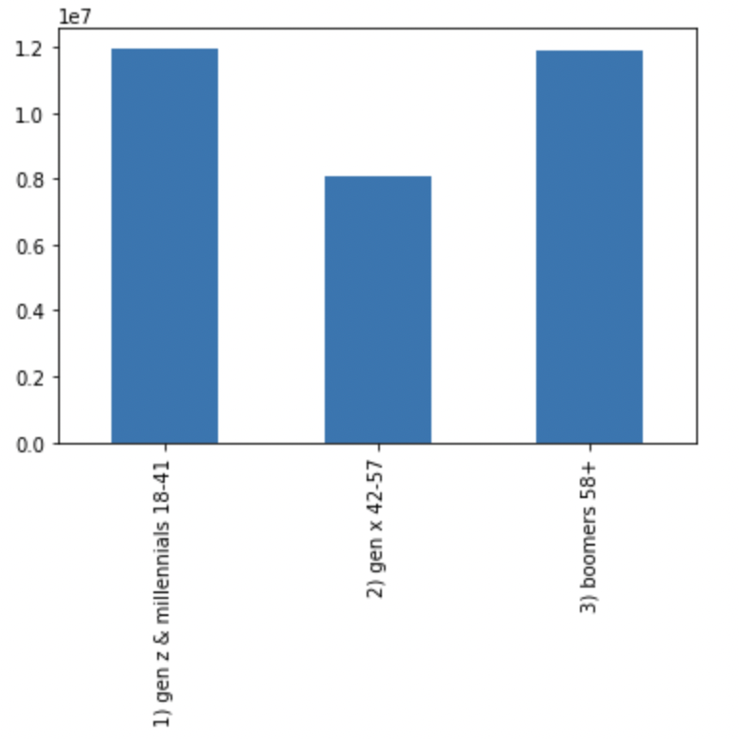
Age Breakdown
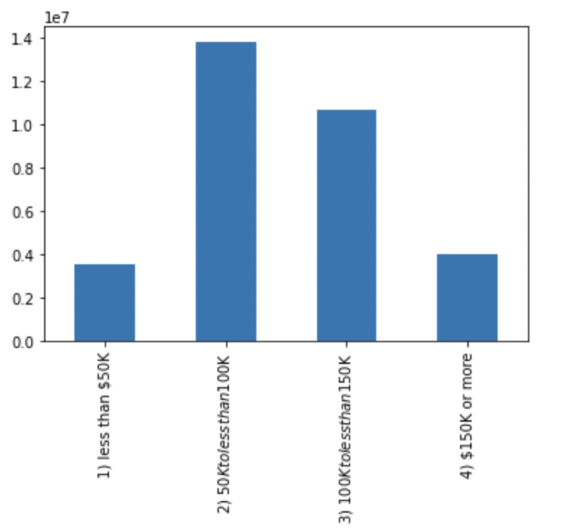
 |  |  |  |  |  |  |  |  |  | profile_loc | mean | sum
 |  |  |  |  |  |  |  |  |  | elder non-parents | 11.28017 | 3.36E+07
 |  |  |  |  |  |  |  |  |  | elder parents | 11.919837 | 1.05E+08
 |  |  |  |  |  |  |  |  |  | middle age non-parents | 13.523687 | 2.67E+07
 |  |  |  |  |  |  |  |  |  | middle age parents | 11.668566 | 7.05E+07
 |  |  |  |  |  |  |  |  |  | young non-parents | 11.94659 | 3.55E+07

Have dependents & don't have dependents

7. Recommendations
 |  |  |  |  |  |  |  | Title page
Recommendations

In this tab you should include any recommendations you would made to Instcart in terms of their marketing strategy based on the questions posed in the brief. Every key question has been covered in the Tasks of the Exercises - here you need to add an item - a visualisation or table/crosstable that is showing the answer in the data, acompanied by a comment from you. Please, list the questions below and add the answer underneath.

1. What are the busiest days of the week and hours of the day?
2. Are there particular times of the day people spend the most money?
3. Is there a way to use simpler price range groupings to help marketing and sales with their efforts?
4. Are there certain types of products more popular than others? Which departments have the highest frequency of product orders?
5. The marketing and sales teams are particularly interested in the different types of customers in their system and how their ordering behaviors differ.
 | a. What's the distribution among users in regard to their brand loyalty (i.e., how often do they return to Instacart?)
 | b. Are there differences in ordering habits based on a customer’s loyalty status?
 | c. Are there differences in ordering habits based on a customer’s region?
 | d. Is there a connection between age and family status in terms of ordering habits?
 | e. What different classifications does the demographic information suggest? Age? Income? Certain types of goods? Family status?
 | f. What differences can you find in ordering habits of different customer profiles?

Key Question 1: |  |  |  |  |  |  |  |  | Key Question 2:
The sales team needs to know what the busiest days of the week and hours of the day are (i.e., the days and times with the most orders) in order to schedule ads at times when there are fewer orders. |  |  |  |  |  |  |  |  | They also want to know whether there are particular times of the day when people spend the most money, as this might inform the type of products they advertise at these times.
The busiest days of the week for orders are Saturday & Sunday. With the graph appearing to follow a consistent trend of peaking on Saturday then declining till Thursday when it starts to increase again peaking on Saturday. |  |  |  |  |  |  |  |  | The highest average prices per hour tend to be in the morning from around 3 to 4am. And then later in the evening around 16 to 18 or 4pm to 6pm.
The hours of the day with the most orders are between 9 & 17 or 9AM & 5PM. As a recomendation Instacart should do special deals on weekdays to increase engagement on less busy days. |  |  |  |  |  |  |  |  | With the highest overal # of orders happening between 9 am and 5pm.
As well as during Instacarts non peak hours to attract more customers during slower periods. Maybe even a point system with total # of points you can earn increasing on non peak days/hours. |  |  |  |  |  |  |  |  | As a recomendation Instacart should take into consideration any higher-priced items/products that consistently sell well even during low traffic hours (i.e. 3am to 4 am) and push promotions during those perids of time.
Orders Per Day
 |  |  |  |  |  |  |  |  | Then similar to key question one create programs and incentives that rewards a higher # of points during these lower periods.
Orders Per Hour
Total Prices Per Hour
Average Prices Per Hour

 | Saturday | Sunday | Monday | Tuesday | Wednesday | Thursday | Friday

Key Question 3:
Instacart has a lot of products with different price tags. Marketing and sales want to use simpler price range groupings to help direct their efforts. |  |  |  |  |  |  |  |  | Key Question 4:
A majority of our prices are mid-range products followed by low-range products withhardly any products being high-range. |  |  |  |  |  |  |  |  | Are there certain types of products that are more popular than others? The marketing and sales teams want to know which departments have the highest frequency of product orders.
Price Range Grouping
Price Range Buckets
 |  |  |  |  |  |  |  |  | Our most popular department is by far produce followed by dairy eggs & snacks.With departments like pets, and bulk having little to no interest.
 |  |  |  |  |  |  |  |  | As a recommendation we should increase advertisements for items both at the top of this list as well as the bottom. As the idea is to maintain and potentially grow our profits as well as find/develop our ability to generate revenue in areas we currently don't have it.
 |  |  |  |  |  |  |  |  | One example restructutre how we advertise our less popular products such as pets, bulk or alcohol. Potentially like for my previous recommendations creating more appealing incentive structures for these particular items so as to increase customer engaugement.
 |  |  |  |  |  |  |  |  | Or as another example perhaps market specific items to certain groups such as items for babys to customers with dependents or bulk items for people with larger families i.e people with a larger # of dependents.
 |  |  |  |  |  |  |  |  | Allowing people who purchase a certain number of a particular type of niche or less popular item to having buliding deals/incentives to continue doing so through us.

Orders by Department
 |  |  |  |  |  |  |  |  | (Legend)

Key Question 5A:
What’s the distribution among users in regards to their brand loyalty (i.e., how often do they return to Instacart)?
51.3% of our total # of customers are regular customers with 33.4% being loyal customers. As a recommendation our goal should be to create programs to convert more regualr customers into loyal customers.
Such as points or rewards programs as well as advertisements that show the products/services we offer to be unique or separate from other competitors in our industry.
Loyalty Proportions by Profile
Customer Loyalty Status

 |  |  |  |  |  |  |  |  | Key Question 5B:
 |  |  |  |  |  |  |  |  | Are there differences in ordering habits based on a customer’s loyalty status?
 |  |  |  |  |  |  |  |  | Consistent with Key question 5A the majority of purchases are made by regular customers followed by loyal customers. However, one intresting wrinkle is how the loyal customers are more likely to buy products that are don't sell as well specifically babies, and bulk.
 |  |  |  |  |  |  |  |  | As a recommendation I would again emphasize advertizing to increase regular customers awareness of the niche/low selling products that sell well with loyal customers with the idea that these products might be appealing apart from our most loyal customers.

Loyalty Proportions by Department
Loyalty Proportions by Spend Level
 |  |  |  |  |  |  |  |  | (Legend)

Key Question 5C:
Are there differences in ordering habits based on a customer’s region?
Spending habits are relatively similar across regions with the South is the largest in terms of sales.
Then as a recommendation push items that sell well in that particular region for example "babies" is high in the South.
Region by Spend Level
Region by Department
(Legend)

 |  |  |  |  |  |  |  |  |  |  |  |  | department_id

 |  |  |  |  |  |  |  |  | Key Question 5D:
 |  |  |  |  |  |  |  |  | Is there a connection between age and family status in terms of ordering habits?
 |  |  |  |  |  |  |  |  | We broke out age groups into six different categories, elder parents/non-parents (ages 58+/boomers), middle-age parents/non-parents (ages 42-57/gen x), and young parents/non-parents (ages 18-41/genz & millenials).
 |  |  |  |  |  |  |  |  | The biggest thing that jumps out is how in every age category the vast majority of our customers are parents while non parents make up far less of our total customers.
 |  |  |  |  |  |  |  |  | Overal elder parents seem to buy more followed by young parents & middle age parents. And as a recommendation I would say that we should push products towards those older parents while also tyring to find new in roads to try and appeal to say middle age non parents for example.
 |  |  |  |  |  |  |  |  | Or even more broadly than that try to find ways to appeal to non parents.
Profile by Spend Level
Profile by Department
 |  |  |  |  |  |  |  |  | (Legend)

Key Question 5E:
What different classifications does the demographic information suggest? Age? Income? Certain types of goods? Family status?
When looking at demographics info we can see that while it isn't linear the more income an individual/parent has the more they typically spend.
This data is consistent with the idea that people with children/dependents spend significantly more than customers without dependents.

Aggregated Spend by Income Level
Aggregated Spend by Age/Family Status Profile

 |  |  |  |  |  |  |  |  | Key Question 5F:
 |  |  |  |  |  |  |  |  | What differences can you find in ordering habits of different customer profiles? Consider the price of orders, the frequency of orders, the products customers are ordering, and anything else you can think of.
 |  |  |  |  |  |  |  |  | The average total spent is relatively the same in all the different age groups. However as age increases so does level of income menaing that older individuals have higher buying power or ability to engage more with our services/product.
 |  |  |  |  |  |  |  |  | As a recommendation it would make sense to curtail our advertising towards older people specifically older parnets.
 |  |  |  |  |  |  |  |  | As well as create ads and incentive programs that appeal to younger individuals and keep in mind that while there are exceptions overal this group has less disposible income.
 |  |  |  |  |  |  |  |  | So maybe play into that through our advertising and appeal to younger people's need to be more conscious of the amount of money they're spending;
 |  |  |  |  |  |  |  |  | by creating programs and points systems that ideally will both help with this issue as well as create a situation where we are increasing the type of income levels our product/services are able to adequately appeal to.

Income x Age
 |  |  |  |  |  |  |  |  |  |  | order_number

Age Breakdown
Income Breakdown
 |  |  |  |  |  |  |  |  |  | profile_loc | sum | mean
 |  |  |  |  |  |  |  |  |  | elder non-parents | 53228568 | 17.744737
 |  |  |  |  |  |  |  |  |  | elder parents | 154354817 | 17.34996
 |  |  |  |  |  |  |  |  |  | middle age non-parents | 35217168 | 17.699542
 |  |  |  |  |  |  |  |  |  | middle age parents | 105888044 | 17.419624
 |  |  |  |  |  |  |  |  |  | young non-parents | 51981206 | 17.384304

 |  |  |  |  |  |  |  |  |  |  | prices

 |  |  |  |  |  |  |  |  |  | profile_loc | mean | sum
 |  |  |  |  |  |  |  |  |  | elder non-parents | 11.28017 | 3.36E+07
 |  |  |  |  |  |  |  |  |  | elder parents | 11.919837 | 1.05E+08
 |  |  |  |  |  |  |  |  |  | middle age non-parents | 13.523687 | 2.67E+07
 |  |  |  |  |  |  |  |  |  | middle age parents | 11.668566 | 7.05E+07
 |  |  |  |  |  |  |  |  |  | young non-parents | 11.94659 | 3.55E+07

Have dependents & don't have dependents

